View Structure
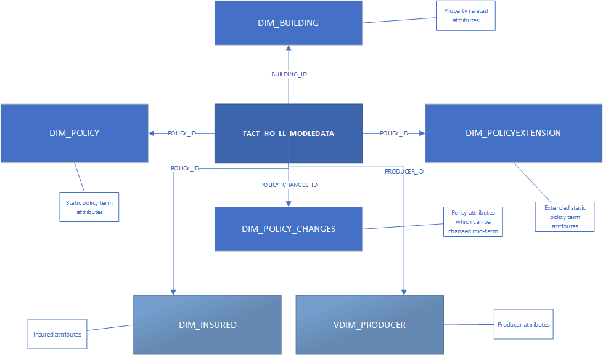

from FSBI_DW_SPINN.FACT_HO_LL_MODELDATA f
join FSBI_DW_SPINN.DIM_POLICY p
on f.policy_id=p.policy_id
join FSBI_DW_SPINN.DIM_BUILDING b
on f.policy_id=b.policy_id
and f.building_id=b.building_id
join FSBI_DW_SPINN.VDIM_PRODUCER a
on f.producer_id=a.producer_id
join FSBI_DW_SPINN.DIM_POLICYEXTENSION pe
on f.policy_id=pe.policy_id
join FSBI_DW_SPINN.DIM_INSURED i
on f.policy_id=i.policy_id
join FSBI_DW_SPINN.VDIM_COMPANY co
on p.company_id=co.company_id
join FSBI_DW_SPINN.dim_policy_changes pc
on f.policy_changes_id=pc.policy_changes_id
and f.policy_changes_id=pc.policy_changes_id

